R value measures
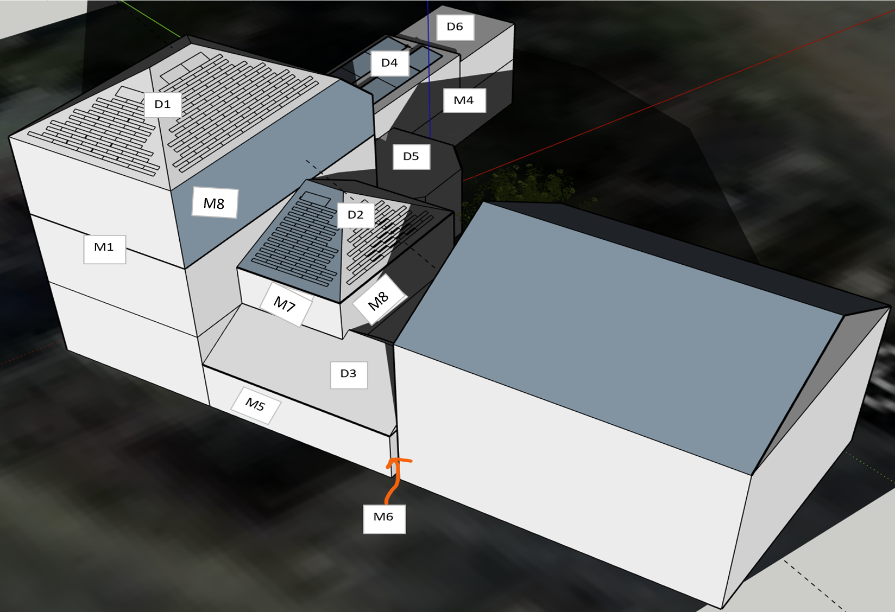
ROOF |  |  |  | Basecase |  | Scenario 1
Code | Name | Measure (scenario 1) | Surface [m²] | U-value [W/m²K] | R-value [m²K/W] | U-value [W/m²K] | R-value [m²K/W]
D1 | Main roof | Sarking roof: 10 cm PIR-insulation | 81.48 | 5 | 0.20 | 0.2 | 5.00
D2 & D3 | Roof annex (right) | Sarking roof: 10 cm PIR-insulation | 63.79 | 5 | 0.20 | 0.2 | 5.00
D4 | Flat roof annex (back) | / | 54.8 | 0.2 | 5.00 | 0.2 | 5.00
D5 | Terrace (BW) | 8cm extra insulation on the inside (4cm is already present on the outside) | 18.8 | 0.7 | 1.43 | 0.2 | 5.00
D6 | Saddleback roof annex (back) | Sarking roof: 10 cm PIR-insulation | 19.02 | 5 | 0.20 | 0.2 | 5.00

WALLS |  |  |  | Basecase |  | Scenario 1
Code | Name | Measure (scenario 1) | Surface [m²] | U-value [W/m²K] | R-value [m²K/W] | U-value [W/m²K] | R-value [m²K/W]
M1 | Facade main building | / | 52.73 | 2.2 | 0.45 | 2.2 | 0.45
M2 | Left facade (excl. shared surface) | / | 101.06 | 2.2 | 0.45 | 2.2 | 0.45
M3 | Back wall (garage) | Insulation on the outside (side garage) (10cm PUR) | 11.74 | 1.53 | 0.65 | 0.22 | 4.55
M4 | Right facade (back annex) | Exterior wall insulation (10cm PUR) | 35.25 | 2.2 | 0.45 | 0.22 | 4.55
M5 | Walls right annex (ground floor) | Cavity wall insulation (5cm rock wool) | 21.89 | 1.41 | 0.71 | 0.6 | 1.67
M7 | Walls right annex (1st floor) | / | 9.03 | 2.2 | 0.45 | 2.2 | 0.45
M8 | Right facade (cemented) | Exterior wall insulation (10cm PUR) | 98.86 | 1.26 | 0.79 | 0.22 | 4.55
M9 | Back walls | Exterior wall insulation (10cm PUR) | 39.87 | 2.2 | 0.45 | 0.22 | 4.55

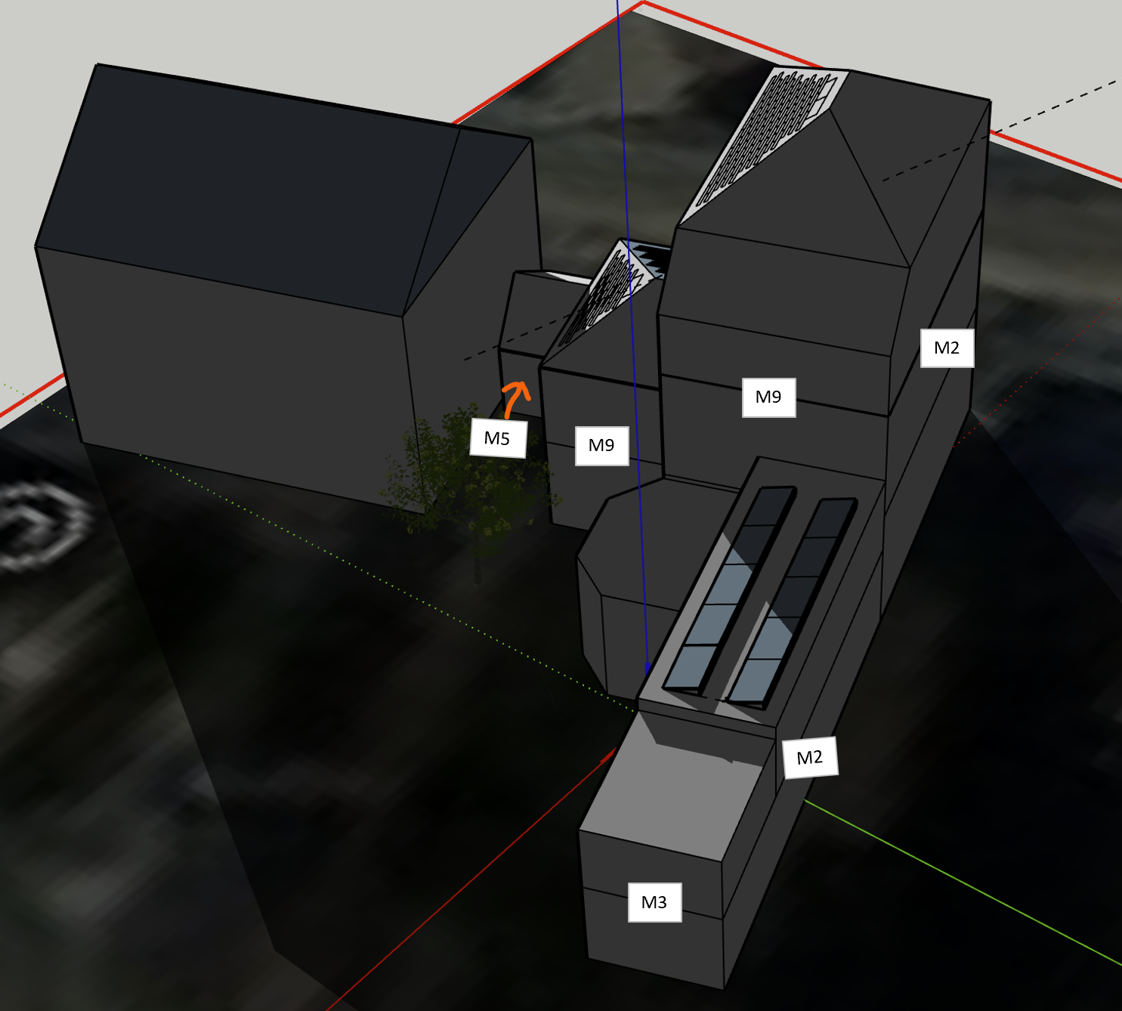
WINDOWS |  |  |  | Basecase |  | Scenario 1
Code | Naam | Measure (scenario 1) | Surface [m²] | U-value [W/m²K] | R-value [m²K/W] | U-value [W/m²K] | R-value [m²K/W]
 | Simple glazing, solid wood | Hight quality double glazing (Uglas = 0,9), PVC | 6.3 | 5 | 0.20 | 1.1 | 0.9
 | Double glazing, solid wood | Hight quality double glazing (Uglas = 0,9), PVC | 6.8 | 3.1 | 0.32 | 1.1 | 0.9
 | Double glazing, PVC | Hight quality double glazing (Uglas = 0,9), PVC | 19.6 | 3.06 | 0.33 | 1.1 | 0.9
 | Glass blocks | Hight quality double glazing (Uglas = 0,9), PVC | 4.5 | 3.5 | 0.29 | 1.1 | 0.9
 | Reinforced insulation glazing, solid wood | / | 13.9 | 1.1 | 0.91 | 1.1 | 0.91
 | Double reinforced insulation glazing, solid wood | / | 0.6 | 0.9 | 1.11 | 0.9 | 1.11

DOORS |  |  |  | Basecase |  | Scenario 1
Code | Name | Measure (scenario 1) | Surface [m²] | U-value [W/m²K] | R-value [m²K/W] | U-value [W/m²K] | R-value [m²K/W]
 | Door to cellar + door to laundry room | / | 3.04 | 2.94 | 0.34 | 2.94 | 0.34
 | Kitchen door + door BW | / | 5.72 | 3.46 | 0.29 | 3.46 | 0.29
 | Wooden door (right annex) | / | 1.81 | 3.64 | 0.27 | 3.64 | 0.27
 | Front door | / | 4.15 | 4.32 | 0.23 | 4.32 | 0.23

FLOOR |  |  |  | Basecase |  | Scenario 1
Code | Name | Measure (scenario 1) | Surface [m²] | U-value [W/m²K] | R-value [m²K/W] | U-value [W/m²K] | R-value [m²K/W]
 | Floors above basement | PUR-insulation on underside (4 cm) | 92.86 | 1.12 | 0.89 | 0.45 | 2.2
 | Floors on full ground | / | 94.13 | 1.35 | 0.74 | 1.35 | 0.74

 | Base case | Average heat transfer coefficient ks (W/m²K) | 2.10
 | Scenario 1 | Averate heat transfer coefficient ks (W/m²K) | 0.71

